Sheet5
Invest in Making English Content
Row Labels | Count of In which Language do you prefer to watch ?
English | 117
Hindi | 67
Marathi | 5
Others | 2
Grand Total | 191

 | 1)People Mostly watch the content in English over OTT Platforms
 | 2)Consumers Prefer Hindi English Content Over Other Languages
 | 3)More Profitable when Producer will Make movies in English
 | 4)Increase the Demand of hindi marathi Content by Giving Relevant Adds
 | 5)Increase the Demand of hindi marathi Content by Increase the Quality of Content
 | 5) 1/2 Episodes should available for Free as far as Hindi Content,Then take the Subscription Charges, If they watch starting Episodes and if they like then Consumers may take Subcription for the Content
 | 6)Provide Free Content of marathi

Sheet6
Count of How many hours you spend watching Web Series / Movies on OTT per day ? | Column Labels
Row Labels | Female | Male | Grand Total
0 | 4 | 7 | 11
1 | 31 | 44 | 75
2 | 23 | 33 | 56
3 | 10 | 11 | 21
4 | 3 | 4 | 7
more than 4 | 10 | 11 | 21
Grand Total | 81 | 110 | 191

 |  |  |  | 10 Male people are tend to spend more time then that of females on OTT | wrong Question Male and Female Total is unequal are not E
 |  |  |  | 1)Mostly Consumer Spend max 1 to 2 hours on OTT Platforms
 |  |  |  | 2)Producer Should invest More on web Series Than that of Movies Because Movies are Generally of 3 Hrs and Web Series episodes are Generally of 1 hours
 |  |  |  | 3)There are still some People Who are not on OTT Platforms
 |  |  |  | 4)People get to Know About the shows by Giving Adds on TV,Youtube
 |  |  |  | 5)Give one month free Subcription, So that After Watching the content on OTT Platforms,They might like it
 |  |  |  | 6)we can Bring Consumer by organising Some Contest ,By Giving Cash Prices, Gifts,Free Movies depending upon the Contest

 |  |  |  | 7)We can Slightly increased the time of Episodes by 15/20 min per episode so that people will spend more time on OTT

 |  |  |  | 8) for Attracting more Female Consumers, we Can Give Some Discount Coupons on Subcriptions Generally for shopping from Big Markets Such has Dmart,BigBazar,A Class Malls etc

 |  |  |  | 9) for enchanting more male Consumers in these Digital World, we Can Give Some Discount Coupons on Subcriptions Generally for shopping from Flipkart,Amazon so that they can Purchase Respective Electronic Items

 |  |  |  | 10)Another Stratergy for charming Male Consumers is by giving Adds of Products By the Models /Actress

 |  |  |  | 11)By Providing Family type Movies ,so that Whole family can Watch the Movies On Weekends

IN Content
Count of What do you like to watch on OTT Platforms ? | Column Labels
Row Labels | English | Hindi | Marathi | Others | Grand Total
International Content | 106 | 7 |  |  | 113
National Content | 11 | 60 | 5 | 2 | 78
Grand Total | 117 | 67 | 5 | 2 | 191
 | English | Hindi | Marathi | Others
International Content | 106 | 7
National Content | 11 | 60 | 5 | 2
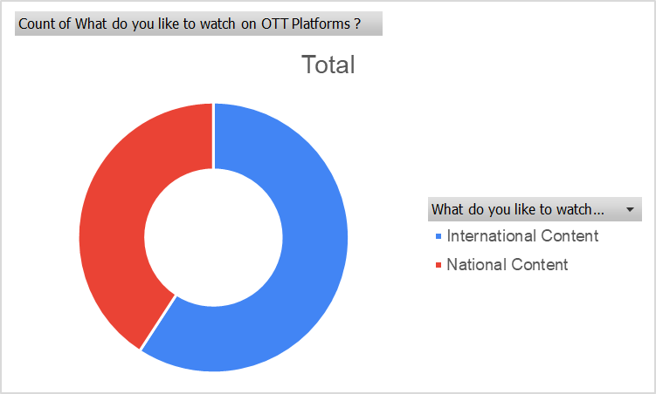

Rise in International Content

1)Increase in International Content Over the Years
2)Consumers are Preferred towards the hindi Content under national Content

Content
Row Labels | Count of Do you prefer paid or free of cost content ?
Free | 125
Metropolitan | 100
Non-Metropolitan | 25
Paid | 66
Metropolitan | 64
Non-Metropolitan | 2
Grand Total | 191

 | 1) In non Metropolitan cities,Consumers mainly Prefer Free content ,Paid Content less in case of Metropolitian Cities
 | 2) So Producer should mainly focus on Creating Free Content
 | 3) If Subscription Charges can be Reduced then there is a chance of increase in viewership in non-metropolitan Cities

Sheet11
Row Labels | Count of If OTT Platforms is taking Subscription, Then For how many months of Subscription you take ?
0 | 19
1 | 74
2 | 13
3 | 24
4 | 1
More than 4 | 60
Grand Total | 191

 |  | 1)Consumer generally Preferred one month Subscription or More than 4
 |  | 2)One Way to increase the Consumrs on OTT is Reducing little Cost of Subscription For between 2-4 Months
 |  | 3) Consumers should get Some Discount Offers on Subscription
 |  | 4)Also There are Some People who don't take subscription ,So Creating Good Content By understanding Todays Trends wiill help to enchant more users

Sheet12
Row Labels | Count of What do you Prefer for OTT Platforms ?
Mobile Application | 148
Website | 43
Grand Total | 191

 |  | 1)Mobile Application Users are more than that of website
 |  | 2)It notifies that Producer focus on more investment of adds in Mobile Application

Sheet13
Row Labels | Count of What's your Age ?
0 | 11
19 | 3
Youth spend max time on OTT
20 | 2
21 | 2
22 | 2
23 | 2
1 | 75
18 | 1
19 | 15
20 | 10
21 | 10
22 | 4
23 | 7
24 | 4
25 | 4
26 | 1
27 | 1
30 | 1
32 | 1
33 | 1
34 | 2 | 1)Consumer who watch movies atleast for 1 hours are within age grp between 25 to 40, it Generally tells you Consumers are working people
36 | 1 | 2)More than 1 hours viewers are young mainly in age grp of 19 to 20
39 | 4
40 | 1
45 | 2
47 | 1
56 | 1
62 | 1
100000 | 1
Rao | 1
2 | 56
18 | 1
19 | 11
20 | 23
21 | 1
22 | 6
23 | 8
24 | 3
26 | 2
42 | 1
3 | 21
18 | 1
19 | 6
20 | 3
21 | 3
22 | 5
23 | 2
24 | 1
4 | 7
17 | 1
19 | 4
21 | 2
more than 4 | 21
19 | 8
20 | 4
21 | 2
22 | 2
23 | 3
25 | 1
34 | 1
Grand Total | 191

Sheet2
Row Labels | Count of IS OTT better than TV ?
NO | 20
YES | 171
Grand Total | 191

 |  | 1) Most of the Consumers Prefer OTT platforms rather than TV
 |  | 2)By making the Subscription charges less than TV Cable Connection charges,it will help to increase the Consumers

